Sheet1
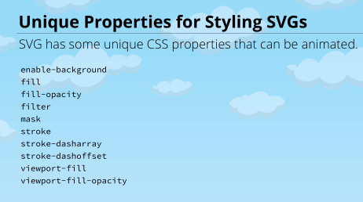
(1) Transitions

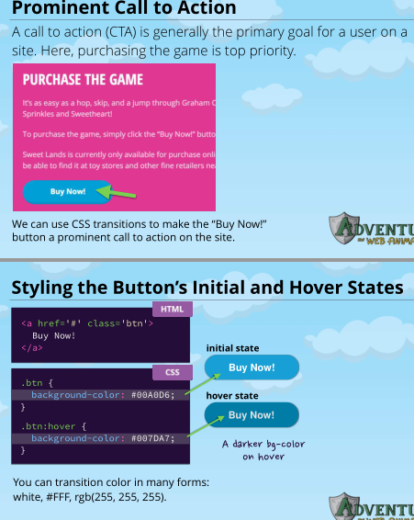
 | transition: <property> <duration>, <property2> <duration>; | transition: all <duration>; | transition: <property> <duration> <timing-function> <delay>
 | transition: background-color 0.4s, color 0.4s; | all properties |  | https://caniuse.com/
 |  |  |  | prefixes
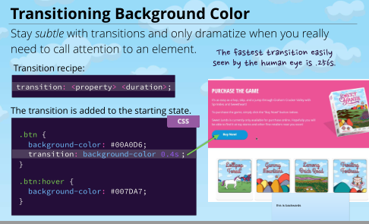
 |  |  |  | -webkit-transition
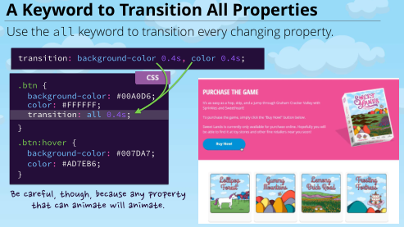
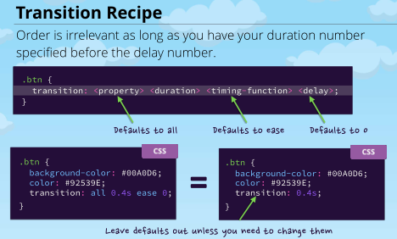
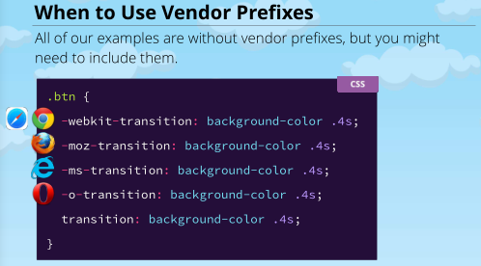

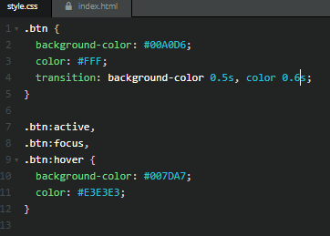

Transitioning position |  | top:
 |  | transition: top <duration>;
 |  | overflow: hidden
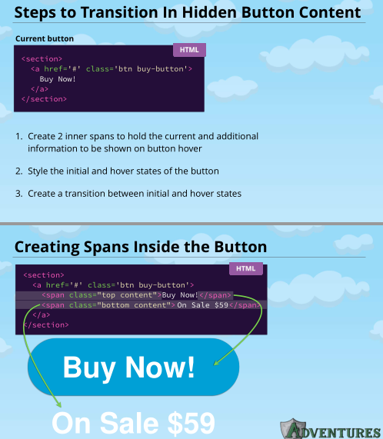
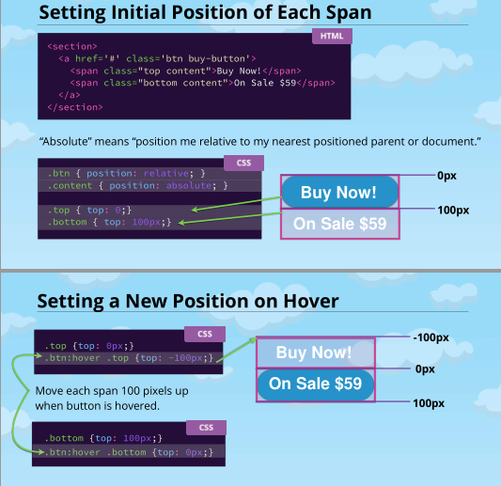
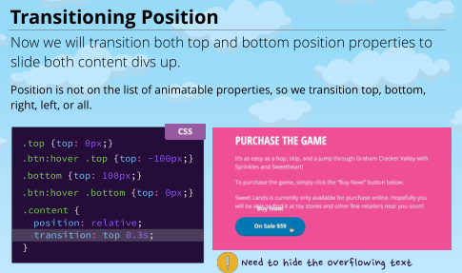

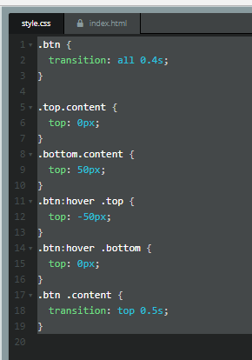

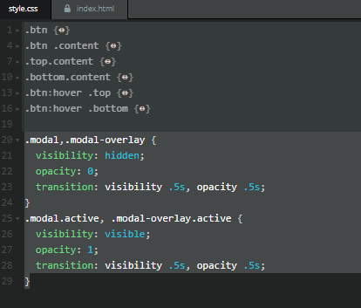
 | .modal,
 | .modal-overlay { .active
Transitioning visibility | visibility: hidden; visible
 | opacity: 0; 1 | transition: opacity <duration>, visibility <duration>
 | }
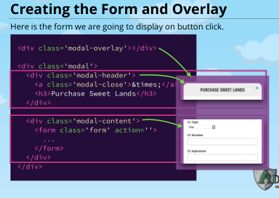
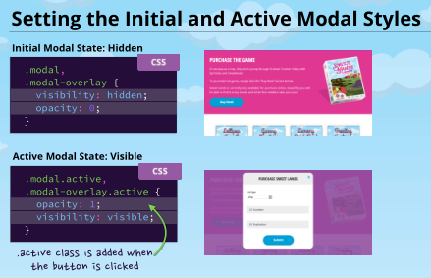
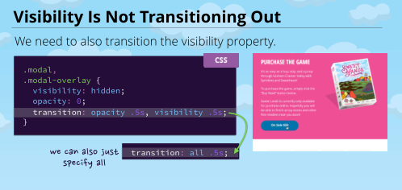

 |  |  | transitioned properties
 |  |  | http://www.w3.org/TR/css-transitions-1/#properties-from-css
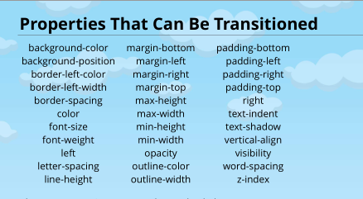

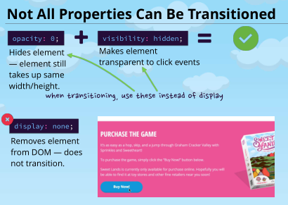
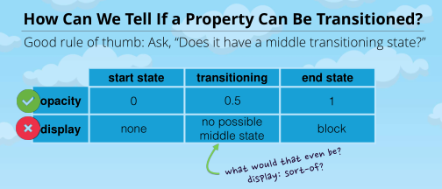

(2) Transforms
Transforming Rotate | transition: transform <time> <timing function>;
 | ease
transition: transform 4s; | linear
modal-close: hover { | ease-in
transform: rotate(360deg); or rotate(1turn); | ease-out
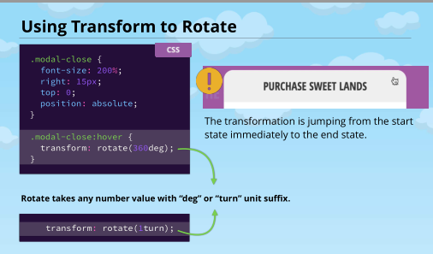
 | initial
 | inherit
 | ease-in-out
 | cubic-bezier
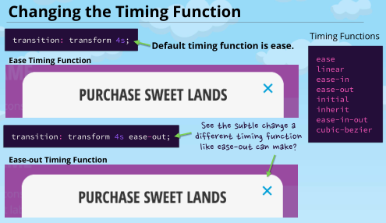

 |  |  | .form-input + .form-label {
 |  |  | color: #6A7989;
 |  |  | transition: color 0.3s, transform 0.3s;
 |  |  | }
 |  |  | .form-input:focus + .form-label {
 |  |  | color: #333333;
 |  |  | transform: scale(0.8) translateY(-40px);
Transforming Scale and Translate |  |  | }

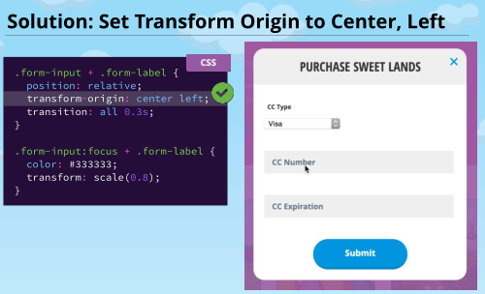
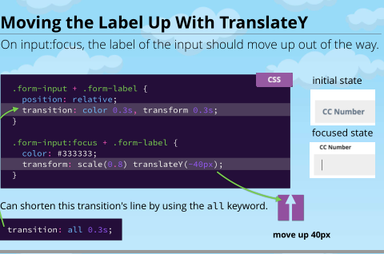
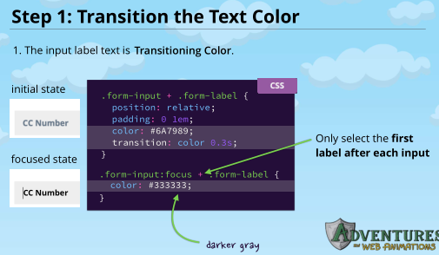
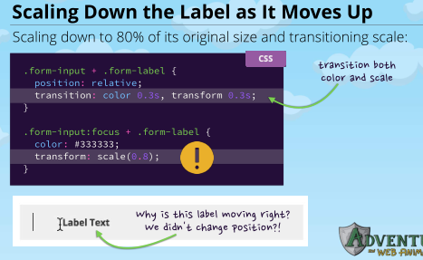
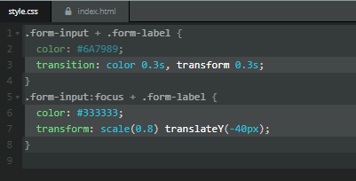

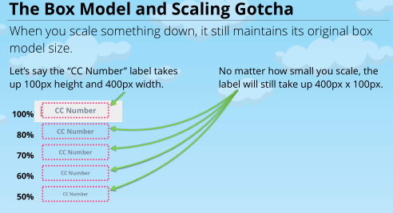

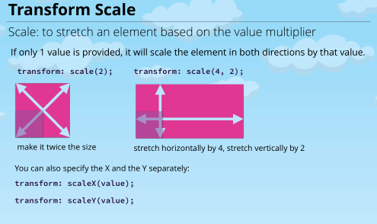

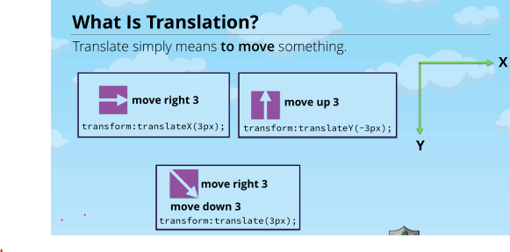

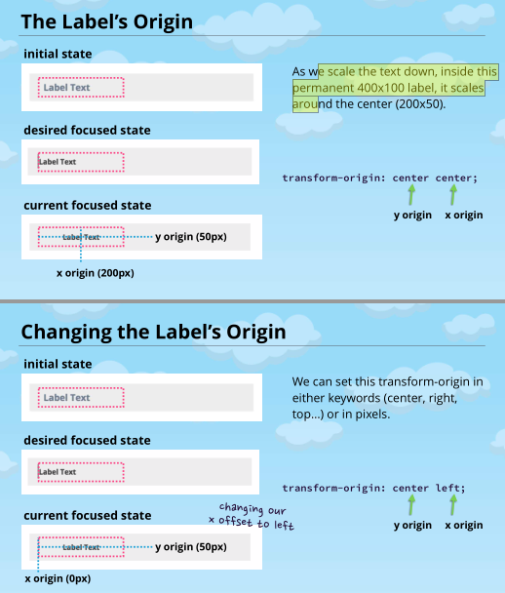

(3) Keyframes

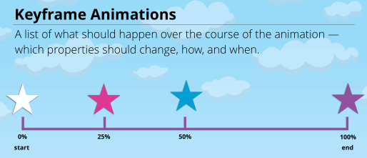

 |  | @keyframes swing {
 |  | 0% {transform: rotate(0deg);}
 |  | 100% {transform: rotate(-30deg);}
 |  | }

@keyframes swing { |  | #sweetlandia {
}. | #left-arm { | animation: swing 2s 0s infinite ease-in-out;
0% {transform: rotate(0deg);} | animation: swing 2s 0s infinit ease; | }
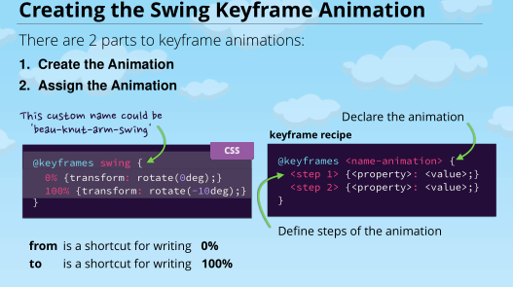
100% {transform: rotate(-10deg);} | }
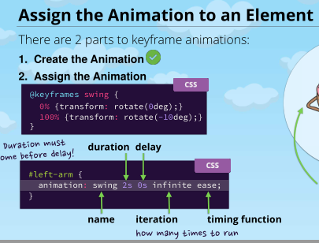
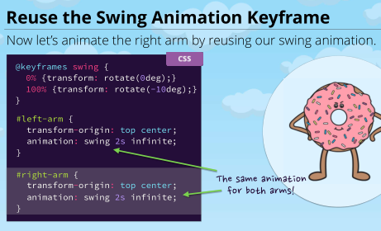

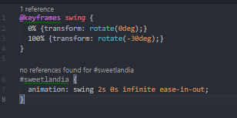

@keyframes swing {
}.
0% {transform: rotate(0deg);}
25% {transform: rotate(-10deg);}
50% {transform: rotate(0deg);}
75% {transform: rotate(10deg);}
100% {transform: rotate(0deg);}
}
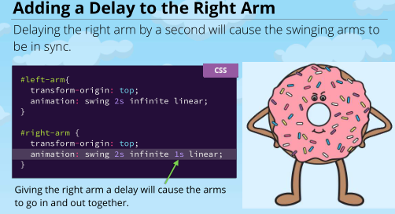
Multi-step Keyframes
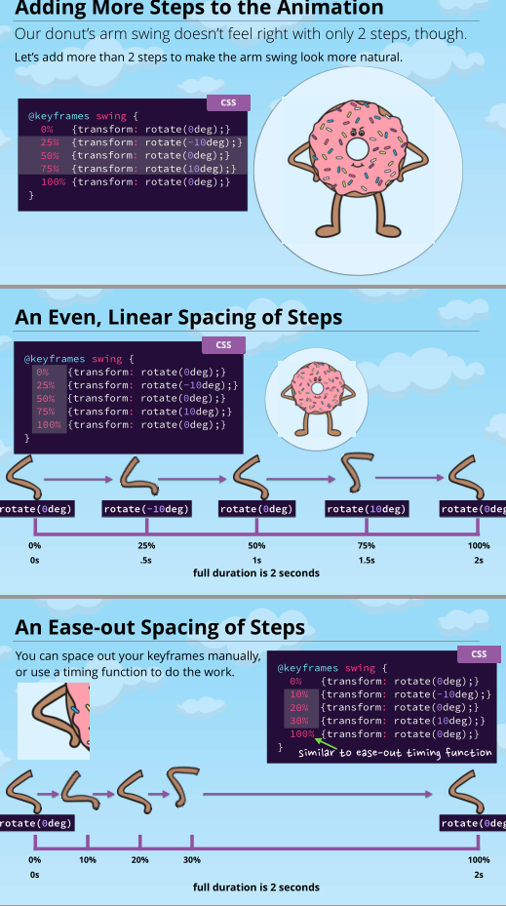
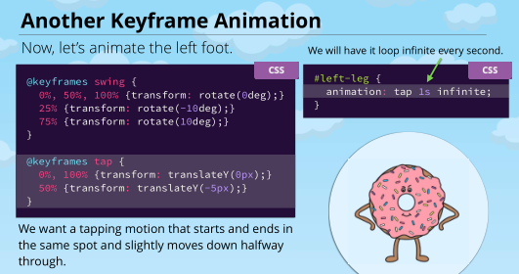
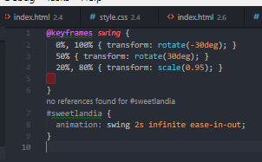

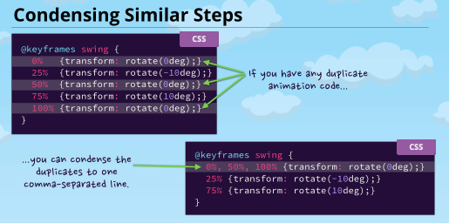

 | @keyframes fadeIn { | @keyframes slideUp {
Advanced Animations
 | .modal-overlay.actitve { | .modal.active {
 | animation: fadeIn .25s forwards; } | animation: slideUp .65s .5s cubic-bezier(0.17, 0.89, 0.32, 1.28) forwards;
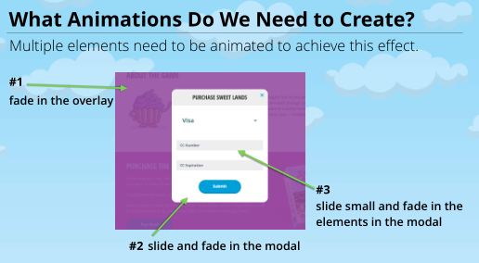
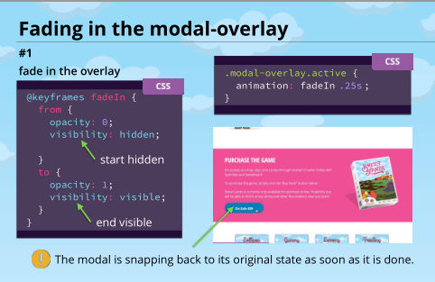
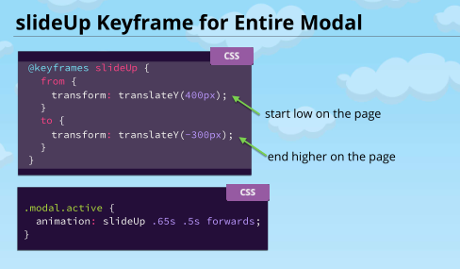
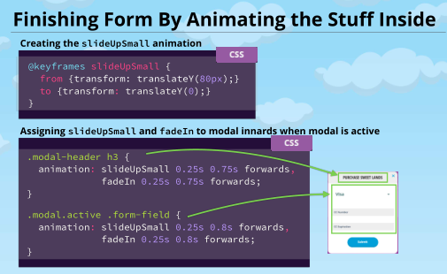
 |  |  |  | @keyframes fadeIn {
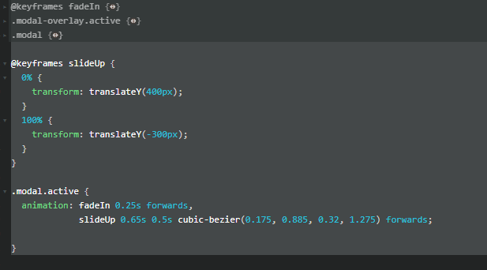
 |  |  |  | 0% {
 |  |  |  | opacity: 0;
 |  |  |  | visibility: hidden;
 |  |  |  | }
 |  |  |  | 100% {
 |  |  |  | opacity: 1;
 |  |  |  | visibility: visible;
 |  |  |  | }
 |  |  |  | }
 |  |  |  | .modal-overlay.active {
 |  |  |  | animation: fadeIn 0.25s forwards;
 |  |  |  | }
 |  |  |  | .modal {
 |  |  |  | transform: translateY(700px);
 |  |  |  | }

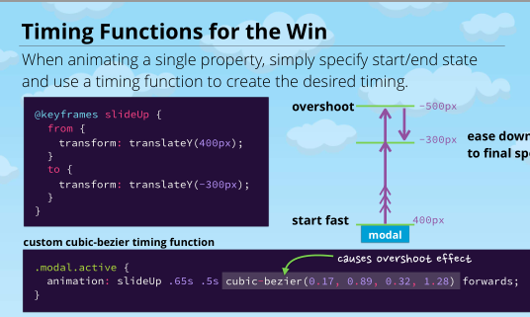
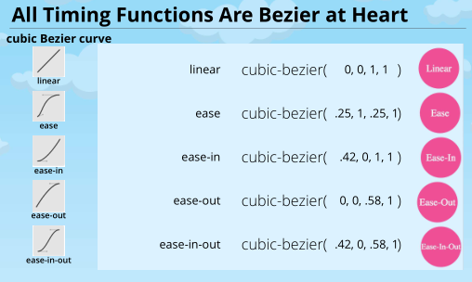
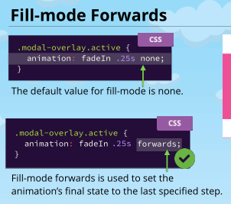
 |  |  |  | @keyframes slideUp {
 |  |  |  | 0% {
 |  |  |  | transform: translateY(400px);
 |  |  |  | }
 |  |  |  | 100% {
 |  |  |  | transform: translateY(-300px);
 |  |  |  | }
 |  |  |  | }

 |  |  |  | .modal.active {
 |  |  |  | animation: fadeIn 0.25s forwards,
 |  |  |  | slideUp 0.65s 0.5s cubic-bezier(0.175, 0.885, 0.32, 1.275) forwards;

 |  |  |  | }

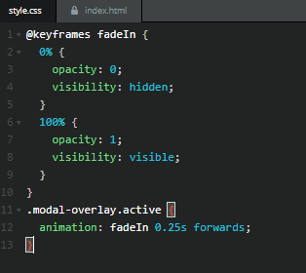

SVG

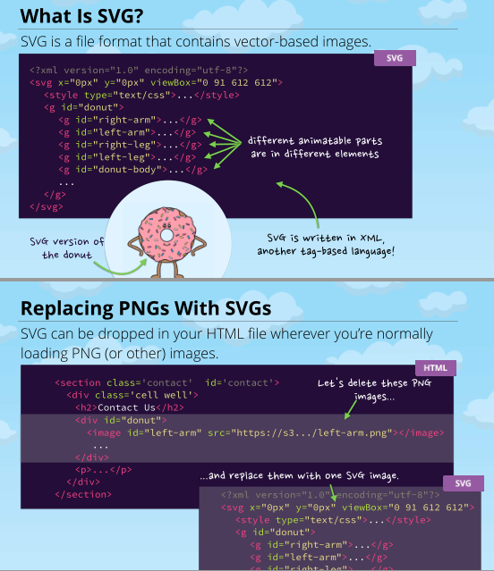
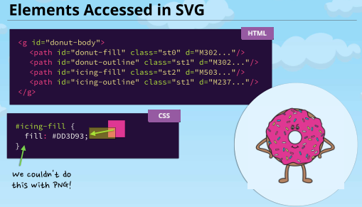







https://developer.mozilla.org/en-US/docs/Web/SVG/Attribute#Presentation_attributes

